Sheet 1
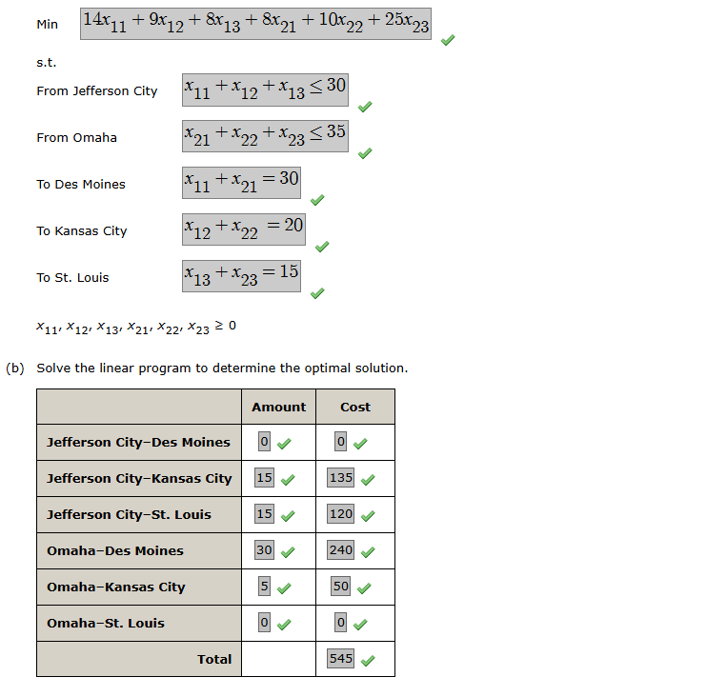
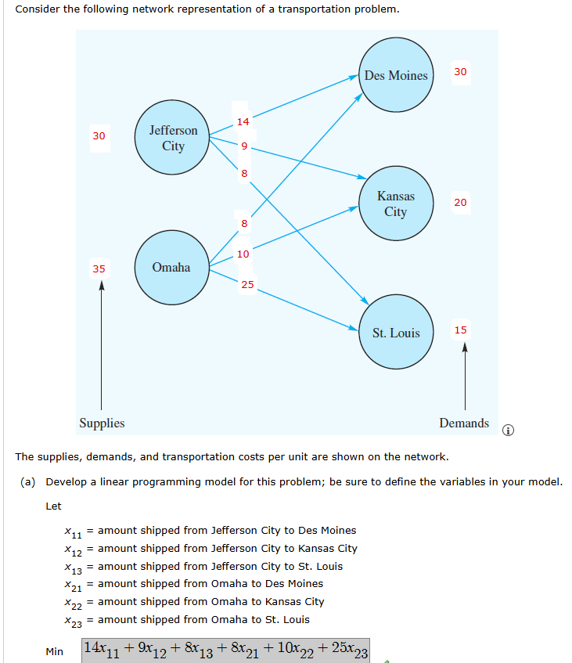
Transporation Problem

 |  | Destination
Origin | Des Moines | Kansas City | St.Louis | Supply
Jefferson City | 14 | 9 | 8 | 30
Omaha | 8 | 10 | 25 | 35
Demand | 30 | 20 | 15

Model
Minimize Total Cost | 545

 |  | Destination
Origin | Des Moines | Kansas City | St.Louis | Total
Jefferson City | 0 | 15 | 15 | 30 | ≤ | 30
Omaha | 30 | 5 | 0 | 35 | ≤ | 35
Total | 30 | 20 | 15
 | = | = | =
 | 30 | 20 | 15
Cost
Origin | Des Moines | Kansas City | St.Louis
Jefferson City | 0 | 135 | 120
Omaha | 240 | 50 | 0

